Top 5 Inventory Tips
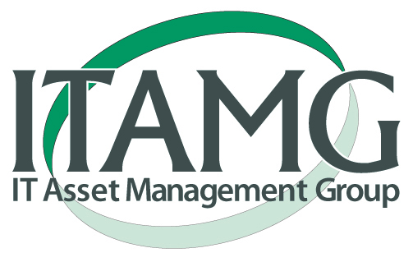 5 Tips for Taking Inventory of Surplus Equipment for Highest Value Returns

#1: CAPTURE the most relevant information that vendors can use to source component and other details from equipment. This usually means the manufacturer's part numbers. If part numbers are not available or the machines have been modified since purchase provide the specifications including RAM, hard drive, and processor details including the speeds, quantities and capacities of nodes.

Details By Common Manufacturers: HP: It is usually best to provide the HP S/N and P/N for most accurate details. S/N example: 2UA5380UP7 P/N example: BTC0AAV For servers provide the generation if applicable (G2, G3, G4, G5, G6, G7 etc.) Lenovo/IBM: 1953-D7U (4 Digits Followed by 3 Characters/Digits) Cisco: WS-C3560G-48TS-S (Full Part Number Important Not Just Model ex. 3560G) Dell: Provide model and Service Tag (serial number). The service tag is a unique 5 or 7 digit code that all Dell machines can be looked up with. General Storage Equipment: Most of the value on the secondary markets for storage arrays is on the hard drives. The manufacturer’s part numbers of the actual hard drives can be critical for sourcing an accurate evaluation. If these part numbers are not available the speed, interface, capacity, and manufacturer of the drives should be noted. *Feel free to contact an ITAMG representative for assistance on other types of equipment or to identify what level of details will be necessary for a product evaluation.

#2: CONDITION - Having an understanding of the condition of the equipment is an important way to account for what surplus equipment will be worth. Most IT Asset Recovery firms will provide payment on equipment after collection and testing of equipment. In order to receive accurate quotes and gauge expectations it is important to note if equipment is complete with all components, AC adapters, and in a functional status. Displays are a particular issue when they have screen burns, lines, or scratches across them and this should be noted on laptop, tablet, and LCD equipment.

#3: ACCURACY - Represent only what your firm is very likely to dispose of. In the IT Asset Disposal industry pricing is typically project based and last minute deductions of inventory quantities and shifts in quality of the product representation will result in significant deductions to pricing. It is important to work with a vendor that will provide accurate pricing, but this can only be done if the vendor is provided accurate information. ITAMG is happy to provide market pricing for budegetting and planning purposes.

#4: TIME - Minimize the time collecting the inventory and decision making process on the disposal methods for equipment to your best ability. A conservative estimate is a 10% depreciation on the value of used computer and IT equipment each month. Feel free to work with an ITAMG representative to identify the appropriate level of information capture needed to avoid unnecessary labor costs and time delays.

#5: PROCESS - Use the ITAMG inventory template on this second tab, and fill out the site survey on the third tab of this document. The more information populated on this document the more accurate and most likely greater a liquidation quote will be.

